Sheet1
Q.No | Question | Answer | Comments
1 | Which three objects can be a valid page in a Site? (Choose three.) A. Data store B. Report C. News Feed D. Process models with a start form E. Record type | b,d,e
2 | How do you restrict user access to Tempo? A. Change the user type from System Administrator to Basic. B. Remove the user from all application groups. C. You cannot restrict access to Tempo. D. Update the members and/or membership rules of the Tempo Users Group. | d
3 | Appian held a Product Announcement Webinar yesterday, but you had a conflicting client meeting and could not attend. Your team lead asks you to review the newest release notes. Where is the best place to keep up with the latest release notes? A. Discussions Board B. The Appian Community C. The Appian Developer Playbook D. Solutions Support Guide | b
5 | Every business process, whether inside or outside of Appian, requires which of the following? A. Human interaction B. Defined steps C. Reporting D. Automation | b
6 | A client requested a feature that is exceptionally specific and uncommon. You begin by gathering research to help determine how such a feature could be implemented, but no documentation is available. What should you do next? A. Create a Support Case. B. Check The Appian Academy. C. Review the Appian Playbook. D. Ask the Appian Community. | a
7 | At what stage are you most likely to regularly refine the backlog? A. Optimize B. Release C. Build D. Initiate | d
8 | A feature is being deployed to the test environment. In which environment is unit testing performed for the feature? A. Upgrade B. Development C. Production D. Staging | b
10 | During what stage of the Appian Delivery Methodology does story-pointing regularly occur? A. Build B. Optimize C. Release D. Initiate | a
11 | In the scrum lifecycle of a project, when should the team agree on the requirements for the Definition of Done? A. Before getting started on the project B. During the sprint retrospective C. During the backlog refinement D. After the sprint planning | a
12 | You need to query some data from the database using more than one filter. Which parameter for a!query() should you use to define your filters? A. filter B. logicalExpression C. aggregation D. selection | b
13 | A client asks you to store work location information for their employees. The client mentions that multiple employees may be assigned to multiple work locations. Which type of database relationship is the client describing? A. One-to-Many (1:N) B. Many-to-One (N:1) C. Many-to-Many (M:N) D. One-to-One (1:1) | c
14 | You need to update the table structure in the database, and then update the related CDT in Appian to publish the data store entity. Column names in the database and the CDT are implemented using different naming conventions. Which statement is appropriate in this scenario? A. You can update the CDT columns in Appian Designer, or update the CDT-related XSD and create a new version from that. B. You must update the CDT columns in Appian Designer. C. You don’t need to make any manual changes. Appian automatically updates the CDT according to database chances. D. You must update the CDT-related XSD and create a new version from that. | d
15 | During User Acceptance Testing (UAT), a tester operating in the test environment asks you to change a data point in one of the tables. In the development environment, you navigate to the database and adjust the data point that the tester described. What is the issue with the steps taken? A. According to Appian best practices, changes should not be made directly in a database. B. The change to the database was made in the wrong environment. C. As an associate, you should not be communicating or coordinating directly with testers. D. The change was made without formally seeking approval from DevOps. | a
17 | What is a Foreign Key? A. The key that cannot be used in any other table. B. The key that joins two tables together. C. The key that uniquely identifies a record. D. The key that uniquely identifies a record when joined with another column. | b
18 | You need to edit data in a table. You ate currently using the following statement: INSERT INTO product (productId, productName) VALUES (3, "App1e"); What is the issue? A. You should be using an UPDATE statement. B. You forgot the WHERE clause in your statement. C. You should be using a CREATE statement. D. You should be using an EDIT statement. | a
19 | Which option correctly deletes the last row from the table? A. REMOVE product_id = 3 IN product; B. DELETE FROM product WHERE product_id = 3; C. DELETE product_i = 3 FROM product; D. REMOVE FROM product WHERE product_id = 3; | b
20 | You have data from two unrelated tables. Which Appian objects can easily relate data from these two tables? A. Process Models B. Expression Rules C. Custom Data Types D. Record Types | d
21 | What is a way to start a process from an interface? A. Start Process Smart Service B. Process Start Event C. Process Messaging D. Start Process Link | d
22 | An end-user needs to trigger a process model and act on the user task assigned to them. What is the minimum security permission needed? A. Viewer B. Initiator C. Editor D. Manager | b | Y
23 | Which scenario would most commonly use a related action? A. Running a process every Friday morning that sends a reminder email to employees who haven’t submitted their timesheet B. Starting a company-wide annual performance review process that tasks every employee to fill out a self-assessment C. Resetting the password on an employee who has forgotten their login credential D. Updating the status of an IT service request to "Closed", because an IT response is not necessary | d
24 | Your team lead mentions that the environment has been performing very slow lately, and the reason is unclear. A process model is consuming a lot of memory, and this could be causing the slowness in the environment. What are two valid solutions to this issue? (Choose two.) A. Manually delete processes that have already been completed or cancelled so it does not cause further performance issues. B. Configure the automatic process clean up so that it does not automatically clean-up processes. C. Delete processes alter completion or cancellation by configuring the Data Management tab in the Process Model Properties. D. Archive processes after completion or cancellation by configuring the Data Management tab in the Process Model Properties. | c,d
25 | When setting the assignment of a User Input task, you need the task to be assigned to the person who started the process. Which option is appropriate to use to accomplish this goal? A. pp!name B. pm!creator C. pp!initiator D. pm!name | c
26 | In a process model, you want all outgoing flows lo start once all incoming flows have reached the node. Which gateway is most appropriate to use? A. NAND B. OR C. XOR D. AND | d
27 | In addition to initiating the process model, what other permission is required to execute the Write to Data Store Entity smart service? A. Viewer permission to the data store B. Viewer permission to a constant that points to the data store entity C. Admin permission to the CDT D. Editor permission to the record | a
28 | When creating a process model, you need an incoming path to continue down one or more paths based on the logic you set. Which gateway node should you use? A. XOR B. AND C. XAND D. OR | d
30 | A form has 5 rule inputs, as follows: 1 CDT variable 3 Text variables 1 Integer variable According to best practices, how many process variables are required in the process model’s user input task? A. 1 B. 3 C. 5 D. 6 | c
31 | What is a correct representation of a dynamic process display name? A. "Create or Update Record; " & pv!recordName B. "Create or Update Record: " + pp!initiator C. "Create or Update Record " + ac!recordName D. "Create or Update Record & pv!recordName" | a
32 | You are creating a new interface. You need to arrange the primary, top-level contents of the interface across the width of the page. According to best practices, which layout should be used in order to accomplish this? A. Columns B. Card C. Side by Side Layout D. Section | a
33 | You are creating an interface and need to pass data out to its parent interface. With type of variable is required to achieve this? A. Parameterised process variable B. Refresh variable C. Rule inputs D. Local variables | c
34 | When designing a new interface, you have to create a table populated with record data. The table needs to link to the relevant record. With component should you use? A. Rich Text Display B. Editable Grid C. Read-Only Grid D. Text Layout | c
35 | Which statement is true about the default behavior of local variables? A. Their type is Integer. B. Their type is Text. C. Their value is False. D. Their value is Null. | d
36 | By default, when is a local variable refreshed when using a!localVariables( )? A. After every user interaction B. After a record action event completes C. When any referenced variable changes D. It never refreshes | c | Y | doubts
37 | What is the most appropriate interface component to display tabular data? A. Rich Text B. Column Layout C. Editable Grid D. Read-only Grid | d
38 | 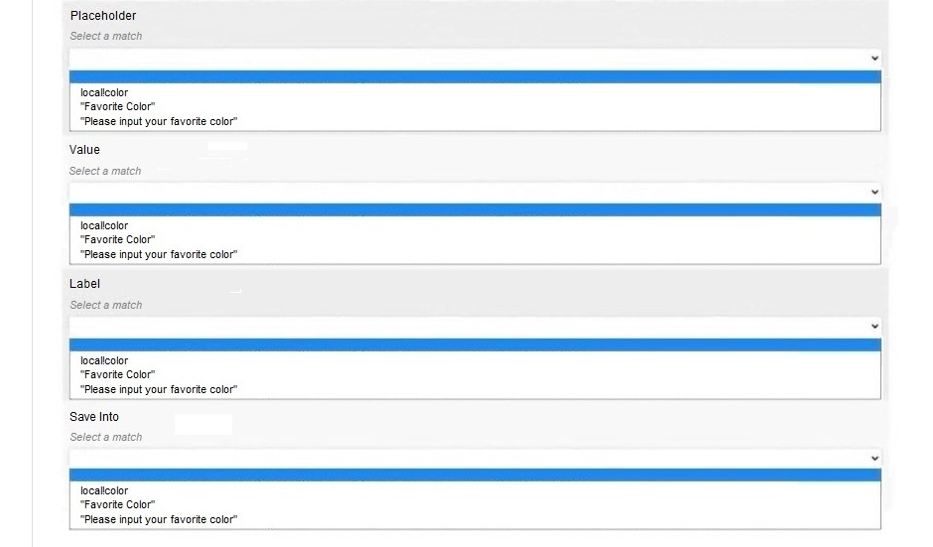 HOTSPOT - You are creating a text input on an interface that prompts the user to input their favorite color. You would like it to look like this: You would like lor the user’s response to be saved to a local variable "local!color". Match the values to the fields that you would conﬁgure on this text input. Some values will be used more than once. Answer: PlaceHolder : c Value: a Label: b Save Into: a
39 | What type of variable can only be used within the context of a particular expression, and can only be accessed within the function that defines them? A. Local Variable B. Process Variable C. Rule Input Variable D. CDT Variable | a
40 | You are designing an interface and selecting colors for the application. What is the Appian-recommended best practice? A. Use blocks of color to highlight sections that are not on the perimeter of the page. B. Use many different shades of the same color. C. Use a diverse range of colors and shades. D. Use a small, consistent color palette. | d
41 | 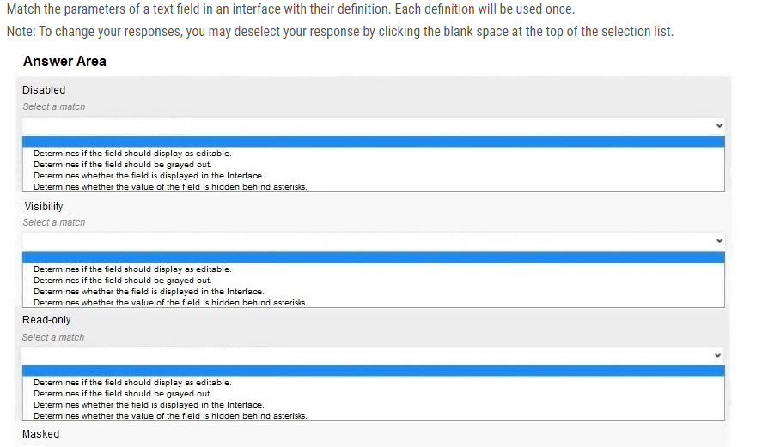 | 2314
42 | You need to ensure that your interface is readable on different devices. How is this most commonly checked? A. Download Appian on each device and test. B. Use your web browser to change sizing. C. Click on the different preview options in the Interface Designer. D. Wrap SAIL code in a!isPageWidtht(). | c
43 | A related action was created in a record. A Related Action Shortcut needs to be added in order to call this action. Where is this configured? A. In the View Interface B. On the Record View C. In the Action Process Model D. On the Record Action | b
44 | A record type is using a process as its data source. Which statement is true? A. Archived process instances are accessible with process-backed records. B. The record has access to current values of process variables within process instances. C. Process-backed records derive information from a data store entity. D. Process-backed records can only access process variable values when a process instance completes. | b
45 | What are the different data sources for Appian record types? A. Database and Process only B. Database, Process, and Other Web Service C. Database, Process, Salesforce, and Other Web Service D. Process and Other Web Service only | c
46 | You are configuring a record type and utilizing data sync. Appian does NOT have write access to the source database table, and will not make updates. Which data sync option is most appropriate for your situation? A. Hourly Sync B. Manual Sync C. Daily Sync D. Immediate Sync | c
47 | An Appian user needs to update information for a case in the record list. Which three security or visibility settings will impact the visibility of a related action? (Choose three.) A. Record type security B. Related action visibility C. Record view visibility D. Process model security E. Application security | a,b,d
48 | An organization has data spread across multiple platforms outside of Appian. They want to create an Appian application to leverage this data. Which record type data source should they use? A. Web Service B. Database C. Salesforce D. Process | a
49 | A record for Employees has been created. What is the correct use case for a record list action? A. View the details at an Employee B. Delete an existing Employee C. Add a new Employee D. Update an existing Employee | c
50 | Which two filter types should you apply to limit the record list by default? (Choose two.) A. Default filters B. Source filters C. User filters D. Filter by search field | a,b
51 | 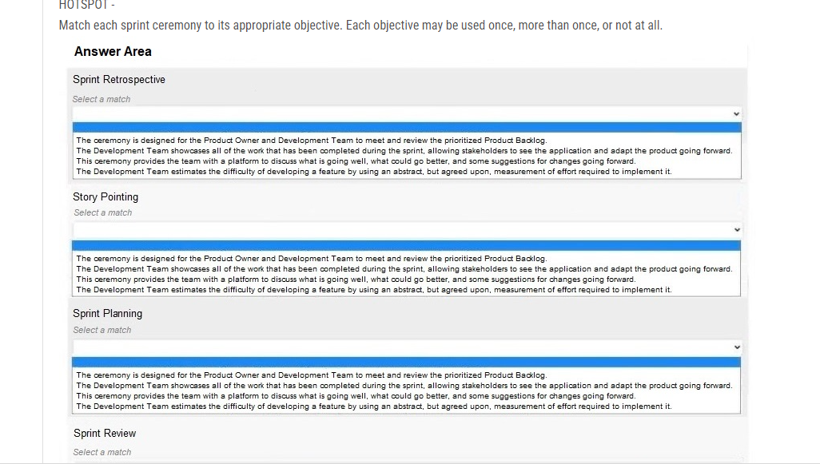 | 3412

